Intro
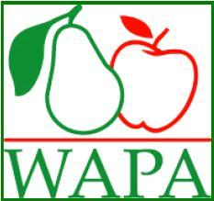

Overview Northern Hemisphere apple and pear stocks 2022-2023 |  |  | JULY

Content: | US situation
 | European situation per country
 | European situation per variety
 | European countries by variety

Sources: | US: | Washington Apple Commission, Pear Bureau Northwest
 | Austria: | Landeskammer für Land- und Forstwirtschaft Steiermark
 | Belgium: | VBT
 | Czech Republic: | Central Institute for Supervising and Testing in Agriculture, Division of perennial plants
 | Denmark: | SAPA
 | France: | ANPP
 | Germany: | AMI
 | Italy: | ASSOMELA, CSO
 | Poland: | SOCIETY FOR PROMOTION OF DWARF FRUIT ORCHARDS
 | Portugal: | ANP - Associação Nacional de Produtores de Pera Rocha
 | Spain: | AFRUCAT
 | Switzerland: | SWISSCOFEL
 | The Netherlands: | Productschap Tuinbouw
 | United Kingdom: | English Apples & Pears

